Sheet1
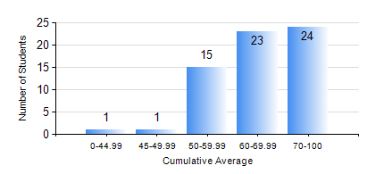
 |  |  | KWAME NKRUMAH UNIVERSITY OF SCIENCE AND TECHNOLOGY, KUMASI Department of Mechanical Engineering

 |  |  | BSC. AEROSPACE ENG., General Option

 |  |  | COMPREHENSIVE RECORD OF EXAMINATION RESULTS

 |  |  | RESULTS OF YEAR 3 SECOND SEMESTER, 2024/2025 ACADEMIC YEAR

 | Sn | Course Code |  | Course Name | Credit Hours | Min. Mark | Max. Mark | Avg. Mark | Std. Dev. | No. Passed | No. Trailed | No. (Df) | No. (I) | No. (I*) | No. Tagged(I,I*,Df) | Total
 | 0. |  |  |  |  |  |  | 0 | 0 | 0 | 0 | 0 | 0 | 0 | 0 | 3
 | 1. | AERO 362 |  | AIR VEHICLE STABILITY AND CONTROL | 3 | 40 | 89 | 61 | 12.66 | 61 | 0 | 0 | 0 | 0 | 0 | 61
 | 2. | AERO 368 |  | PROPULSION | 3 | 42 | 88 | 66 | 10 | 61 | 0 | 0 | 0 | 0 | 0 | 61
 | 3. | AERO 374 |  | AIRCRAFT PERFORMANCE AND DESIGN | 3 | 41 | 95 | 78 | 13.05 | 61 | 0 | 0 | 0 | 0 | 0 | 61
 | 4. | AERO 396 |  | AEROSPACE ENGINEERING LAB II | 1 | 41 | 99 | 62 | 11.04 | 61 | 0 | 0 | 0 | 0 | 0 | 61
 | 5. | ME 362 |  | VIBRATIONS I | 3 | 40 | 77 | 54 | 9.22 | 61 | 0 | 0 | 0 | 0 | 0 | 61
 | 6. | ME 366 |  | HEAT TRANSFER | 3 | 45 | 85 | 65 | 9.53 | 61 | 0 | 0 | 0 | 0 | 0 | 61
 | 7. | ME 392 |  | INDUSTRIAL ENGINEERING AND ERGONOMICS | 2 | 40 | 89 | 68 | 12.03 | 61 | 0 | 0 | 0 | 0 | 0 | 61

